Sheet1
Serial No. | KPI Definition | Source | Source Value | Target | Target Value | Status | Image No. | Comments
1 | Total Sales | SQL Query | 264949.64649 | Sum of Sales | 264.9K | Matching | 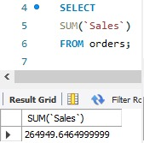
2 | Average Margin | SQL Query | 0.50745901 | Total of Product Base Margin / Count of Product Base Margin | 50.75 | Not Matching | 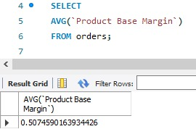 | Average of Product Base Margin is converted into % while data transformation
3 | Total Orders | SQL Query | 3351 | Sum of Orders | 3.35K | Matching | 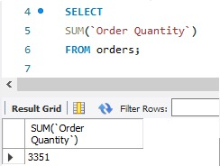
4 | Total Profit | SQL Query | 24859.5899 | Sum of Profit in USD | 24.86K | Matching | 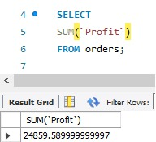
5 | Average Discount | SQL Query | 0.05213114 | Sum of discount / Count of order ID | 5.21% | Not Matching | 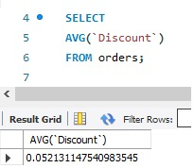 | Converted into percentage while Data Transformation

